Sheet1
Directions on Using This Spreadsheet Template:
For Part A: You will only need to enter your actual masses obtained from the laboratory experiment (boxes highlighted in beige). Excel will calculate everything else.
For Part B: You will need to enter your milliliters of titrant, concentration of titrant, and volume of sample used from the procedure (boxes highlighted in beige). Excel will calculate the % Acidity.

C-TEACH Academy: Burettes |  |  |  | NAME: |  |  |  | AVG ERROR: If box is "red", you are not pipetting the correct amount based on the stamped volume. Need "BLUE"
 |  |  |  |  |  |  |  | %RSD: Repeat deliveries should be close! If not, you are not providing "precise" measurements. Need "GREEN".
Laboratory Check Sheet
Tolerance: +/- the expected volume as stamped on the glassware. |  |  |  |  | 0.99700 | g/mL |  | <= Density of Water (be sure to use the correct value, based on the temperature when measurements were performed)

Delivering 5.00 mL |  |  |  |  |  |  |  |  | Titration of Beer Samples
W.Boat (g) | Sample (g) | Difference | Theory (g) | Error (g) | Error (mL) | AVG error | Most 50.0 mL burettes should deliver a volume within +/- 0.05 mL and precision should be +/- 0.5%
68.0040 | 72.9280 | 4.9240 | 4.9850 | 0.0610 | 0.0612 | 0.0209 |  |  | Normality (Molarity) of Sodium Hydroxide | 0.1046 | N
72.9280 | 77.9140 | 4.9860 | 4.9850 | 0.0010 | 0.0010
77.9140 | 82.8720 | 4.9580 | 4.9850 | 0.0270 | 0.0271 |  |  |  | Sample 1: NAME: Natural Ice
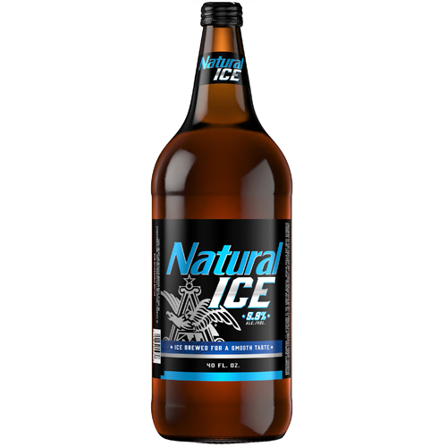
82.8720 | 87.8640 | 4.9920 | 4.9850 | 0.0070 | 0.0070 |  |  |  | Initial Volume of Titrant (NaOH, mL) | 0.00 | mL
87.8640 | 92.8410 | 4.9770 | 4.9850 | 0.0080 | 0.0080 |  |  |  | Final Volume of Titrant (NaOH, mL) | 3.30 | mL
 |  | 4.9674 | Average |  |  |  |  |  | Total Volume of Titrant Used | 3.30 | mL
 |  | 0.0275 | STDEV
 |  | 0.5527 | %RSD |  |  |  |  |  | Volume of Beer Sample Used, mL | 25.00 | mL

Delivering 10.60 mL |  |  |  |  | % error |  |  |  | % Acidity (Equation Provided in Procedure) | 0.124 | %
W.Boat (g) | Sample (g) | Difference | Theory (g) | Error (g) | Error (mL) | AVG error | Most 50.0 mL burettes should deliver a volume within +/- 0.05 mL and precision should be +/- 0.5%
68.1840 | 78.7320 | 10.5480 | 10.5682 | 0.0202 | 0.0203 | 0.0132
78.7320 | 89.2910 | 10.5590 | 10.5682 | 0.0092 | 0.0092
89.2910 | 99.8690 | 10.5780 | 10.5682 | 0.0098 | 0.0098
99.8690 | 110.4270 | 10.5580 | 10.5682 | 0.0102 | 0.0102
110.4270 | 120.9790 | 10.5520 | 10.5682 | 0.0162 | 0.0162
 |  | 10.5590 | Average
 |  | 0.0115 | STDEV
 |  | 0.1092 | %RSD |  |  |  |  |  | Sample 2: NAME: Miller High Life
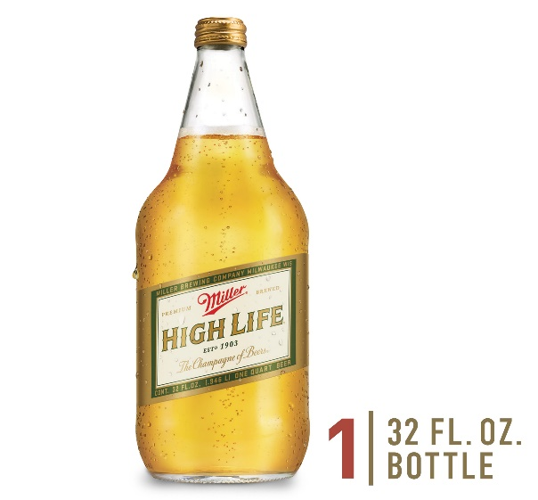
 |  |  |  |  |  |  |  |  | Initial Volume of Titrant (NaOH, mL) | 0.00 | mL
Delivering 12.85 mL |  |  |  |  | % error |  |  |  | Final Volume of Titrant (NaOH, mL) | 2.60 | mL
W.Boat (g) | Sample (g) | Difference | Theory (g) | Error (g) | Error (mL) | % error | Most 50.0 mL burettes should deliver a volume within +/- 0.05 mL and precision should be +/- 0.5% |  | Total Volume of Titrant Used | 2.60 | mL
68.1980 | 80.9840 | 12.7860 | 12.8114 | 0.0254 | 0.0255 | 0.0322
80.9840 | 93.8400 | 12.8560 | 12.8114 | 0.0446 | 0.0447 |  |  |  | Volume of Beer Sample Used, mL | 25.00 | mL
93.8400 | 106.5910 | 12.7510 | 12.8114 | 0.0605 | 0.0606
106.5910 | 119.3980 | 12.8070 | 12.8114 | 0.0044 | 0.0045 |  |  |  | % Acidity (Equation Provided in Procedure) | 0.0980 | %
119.3980 | 132.2350 | 12.8370 | 12.8114 | 0.0256 | 0.0256
 |  | 12.8074 | Average
 |  | 0.0415 | STDEV
 |  | 0.3238 | %RSD

Preparation of the Quality Control Sample |  |  |  |  |  |  |  |  | Sample 3: NAME: Quality Control Sample (QC)
 |  |  |  |  |  |  |  |  | Initial Volume of Titrant (NaOH, mL) | 0.00 | mL
 | Preparation Instructions: The laboratory instructor has prepared the quality control (QC) sample in the following manner. Latic acid standard was purchased from a chemical supplier. The liquid is only 85% pure. Therefore, using the volume below (mL), a corrected amount was calculated. |  |  |  |  |  |  |  | Final Volume of Titrant (NaOH, mL) | 1.10 | mL
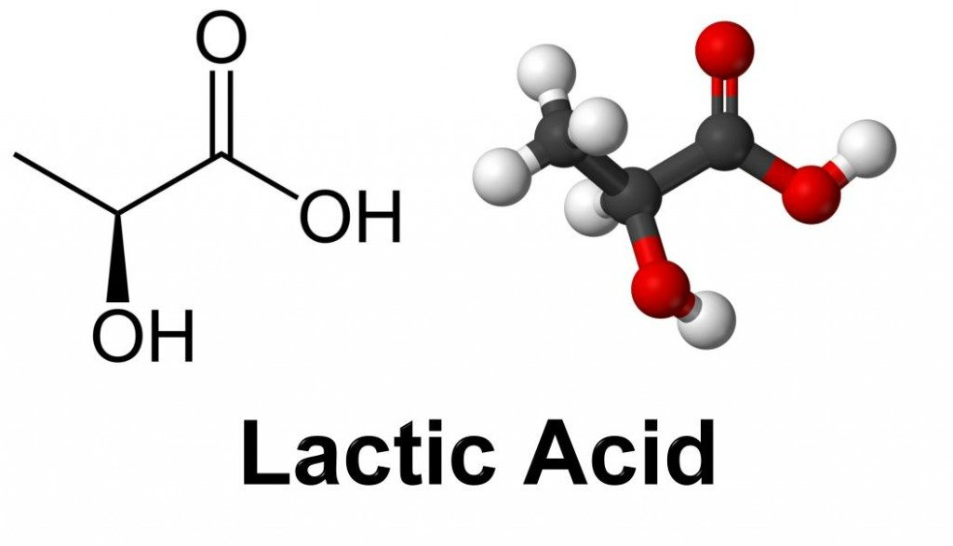
 |  |  |  |  |  |  |  |  | Total Volume of Titrant Used | 1.10 | mL

 |  |  |  |  |  |  |  |  | Volume of Beer Sample Used, mL | 25.00 | mL

 |  |  |  |  |  |  |  |  | % Acidity (Equation Provided in Procedure) | 0.0415 | %
 |  |  |  |  | 0.2688 | mL in 500 mL
 |  |  |  |  | 0.0538 | % v/v (if it was 100% pure) |  |  | % Acidity (Expected Value) | 0.0457 | %
 |  |  |  |  | 0.0457 | % v/v (because it's only 85% pure)

 | Note: % Error should be lower than 10%. If not, double check the technique and titrate it again! Box should be BLUE. If red, perform a second titration. |  |  |  |  |  |  |  | Percent Error: % Acidity | 9.3 | %

 |  | This activity has been developed with support from the "Increasing Student Enrollment, Education, and Employment in Chemical Technology" grant (NSF Award 1956274).
 |  | C-TEACH Academy: Bridging High School, College, and Industry; Cape Fear Community College - Tracy Holbrook, Program Director of Chemical Technology

